Collections
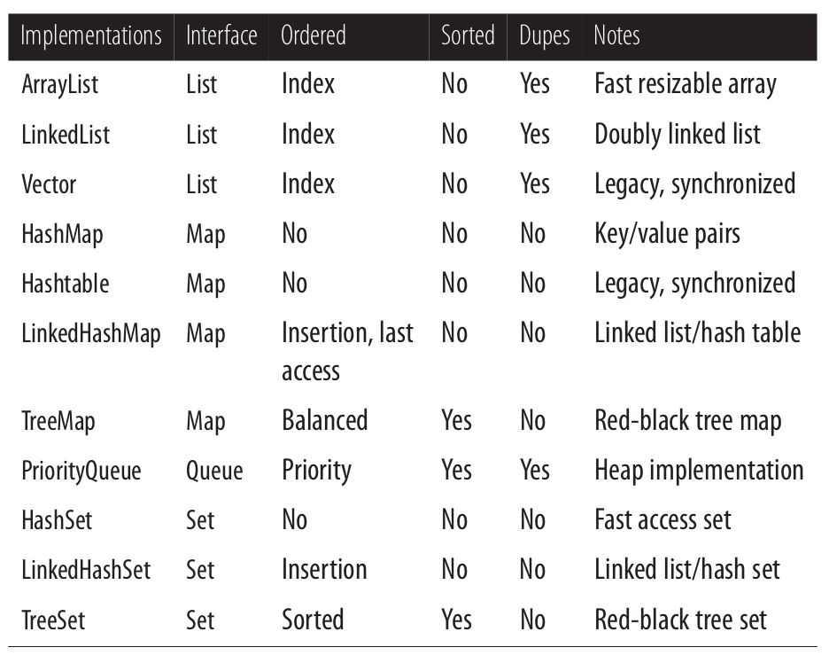
Interface | Implementation Реалізація | Ordered Упорядковано | Сортування | Дублікати | Видалення | Примітки
List | ArrayList | по індексу | так | так | по об'єкту; по індексу | Масив зі змінним розміром
 | LinkedList |  |  |  |  | Двунаправлений список
 | Vector
 | Stack |  |  |  |  | Підклас для Vector
Set | HashSet | алгоритм (?) | ні | ні | по об'єкту
 | LinkedHashSet | по порядку додавання
 | TreeSet | за зростанням
Queue |  |  | ні | так
Map |  |  |  | так

